Development Guidelines
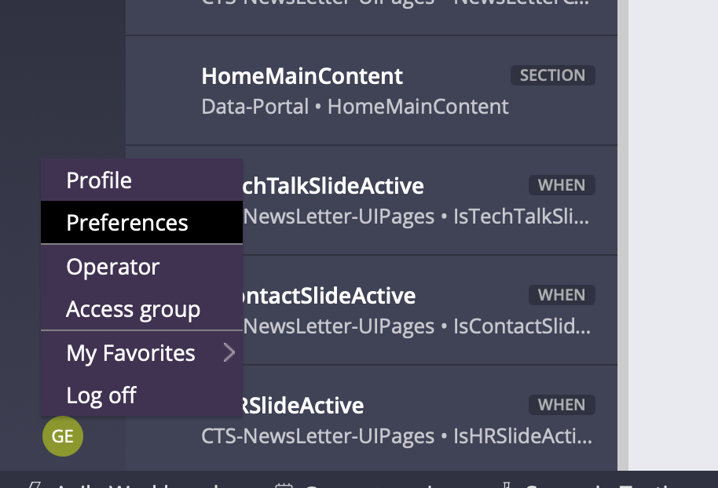
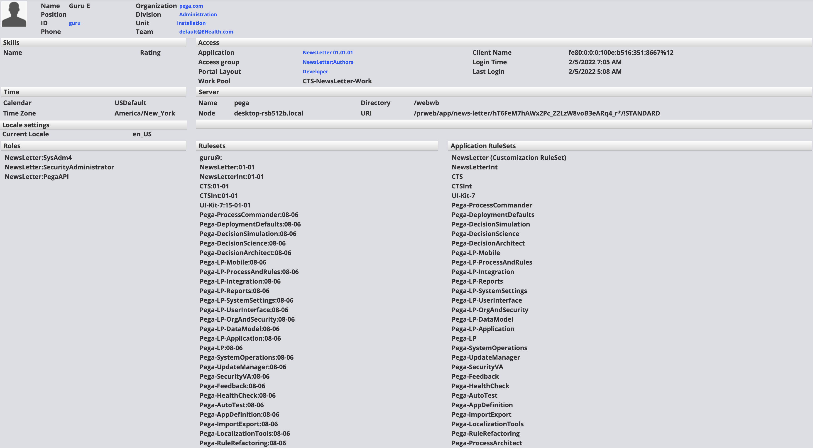
Guidelines | Rule Resolution
Developer needs to create rules associated layer ( Org, Div, Unit and Implemenation ) | Pega always performs the rule resolution in top to bottom approach
Developer should create rules in repsective situation layer cake like Org Data, Org Int , Div Data, Div Int, Unit Data, Unit Int, Implemenation Data, Implementation Int | Pega uses rule availability Yes, No , Withdraw, Blocked and Final
Developer should create branch for the assigned user story | Yes - Rule is avaialble to be used
Developer should resolve merge conflict during the merge of branch ( should closely work with other team members) | Final - Rule is available to be used and no rule with the same in inheritence heirarchy
Developer should check in the rules before end of the if the development is completed for the same | No - Rule version available in that version wont be picked during runtime
Developer should unit test the rule before checking in the code or to see the logic works can use private edit and try | Withdraw - Rule version available in that versio/below wont be picked during runtime
Developer should keep track of data instances created as part of the impementation of story | Blocked - If system finds the rule as blocked then no additional checks would be performed in inheritence path
Developer should to talk to Business Analyst team to get the required clarfications on time | https://academy.pega.com/topic/rule-resolution-process/v1 | Link from academy
Developer should raise impediments during the daily stand up calls. | Use PDN Community aritcles to understand the rule resolution process
 | To use the rule resolution preferences use as follows and click on profile

